Sheet1
Configuration no. | Activation Func. | Hidden Layer size | Loss curve and accuracy curve | Test Accuracy | Confusion Matrix | Execution Time(s)
1 | Relu | 256 | 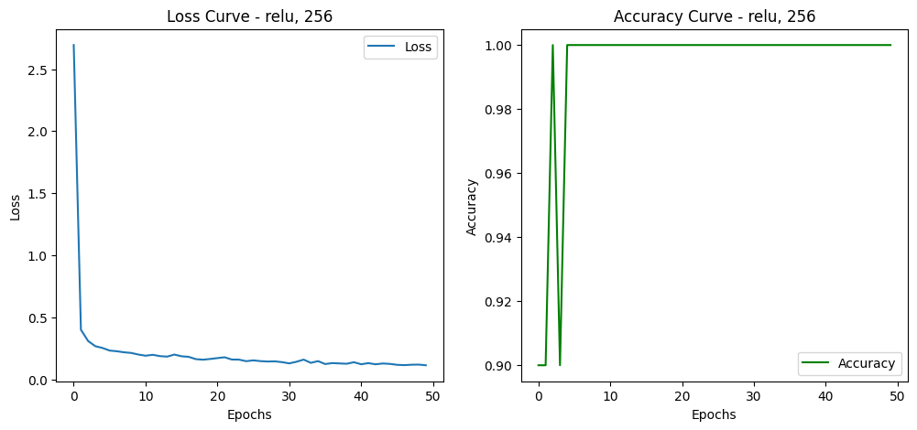 | 0.9658 | 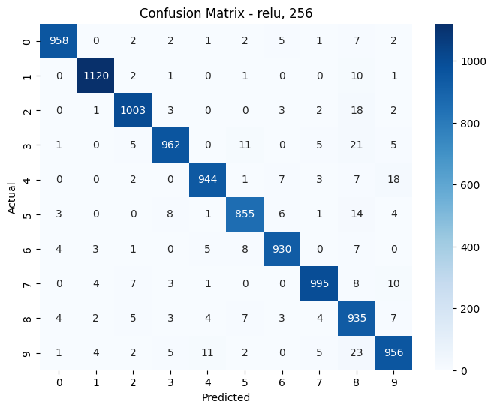 | 705.35
2 | Relu | 128 |  | 0.953 |  | 696.29
3 | Relu | 64 | 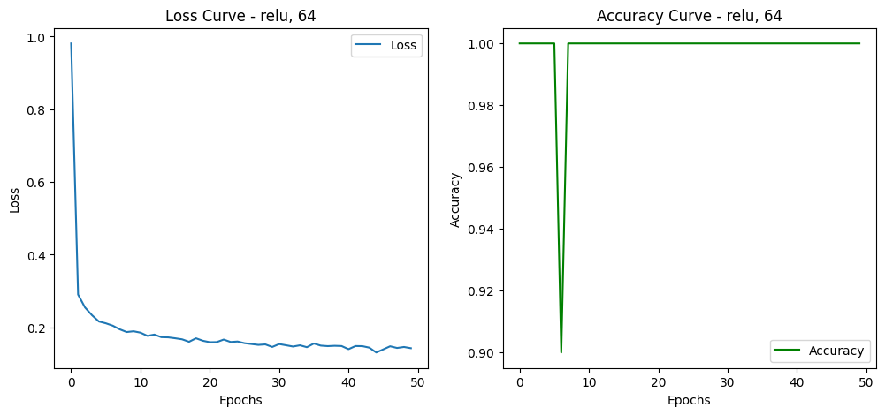 | 0.9461 | 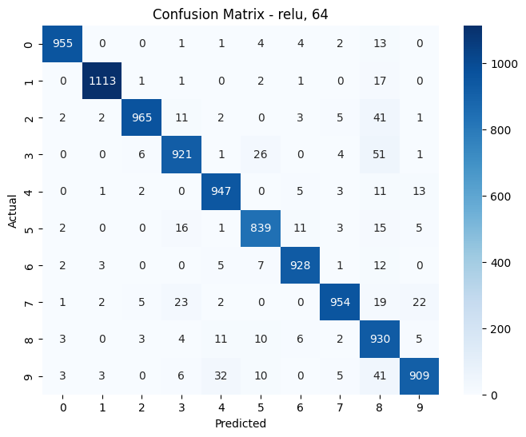 | 712.43
4 | Sigmoid | 256 | 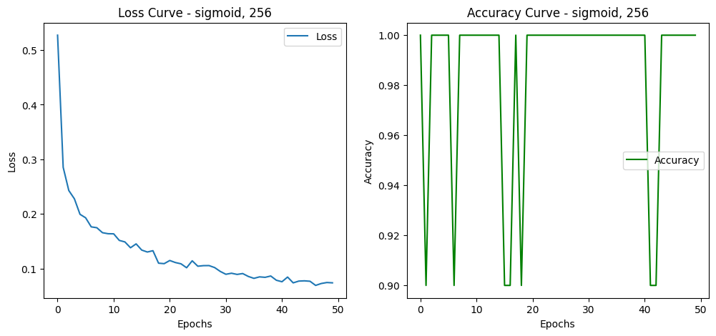 | 0.9671 |  | 743.24
5 | Sigmoid | 128 | 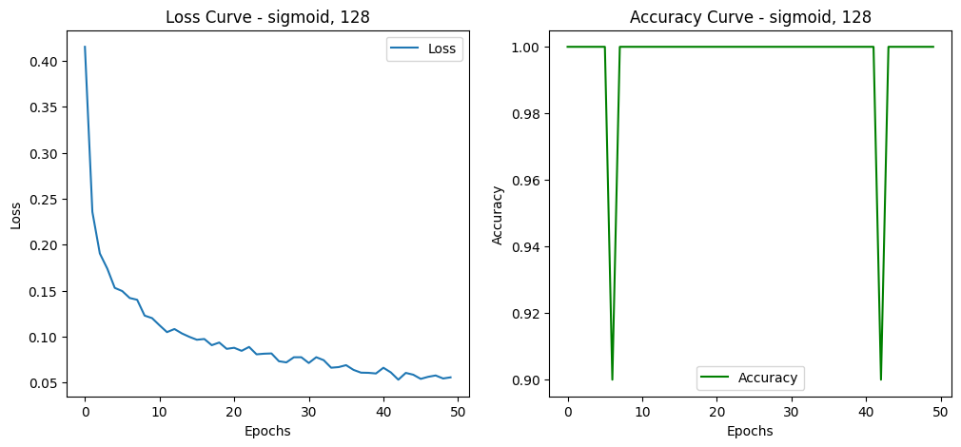 | 0.9712 |  | 708.54
6 | Sigmoid | 64 | 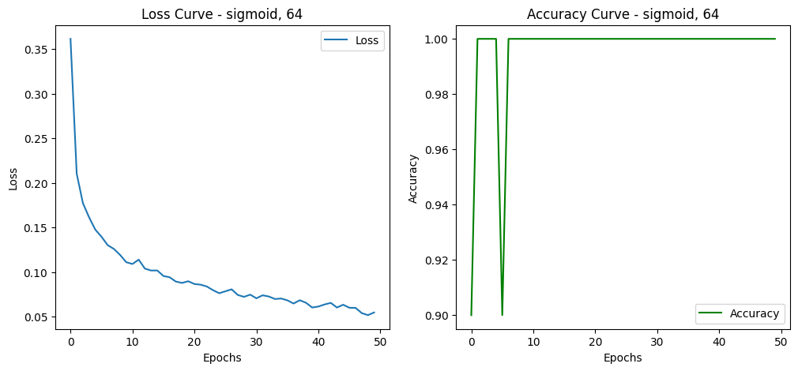 | 0.9672 |  | 702.58
7 | Tanh | 256 | 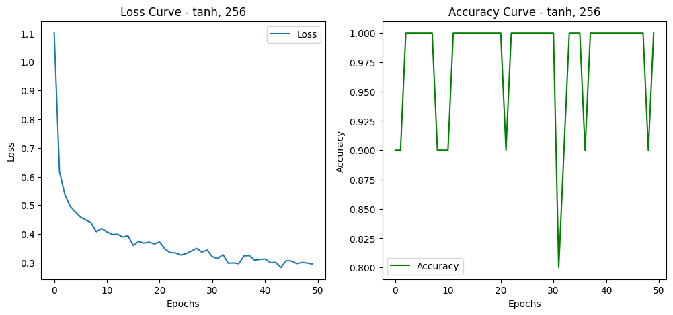 | 0.9619 |  | 700.17
8 | Tanh | 128 | 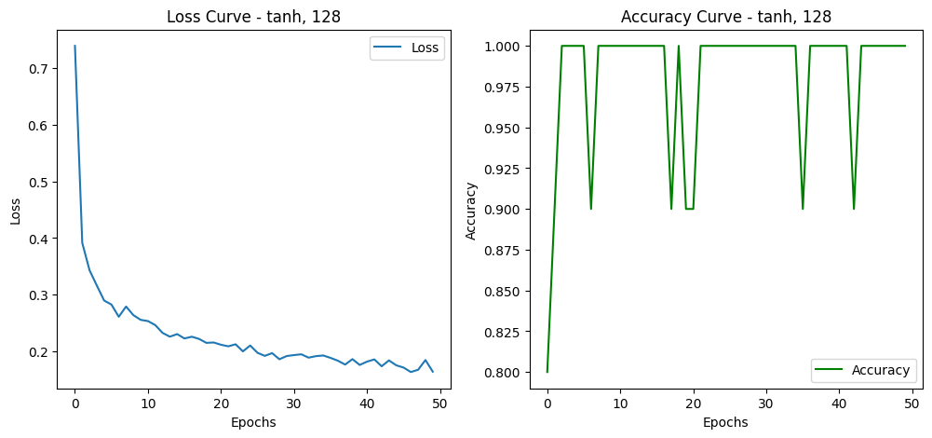 | 0.9565 |  | 704.14
9 | Tanh | 64 | 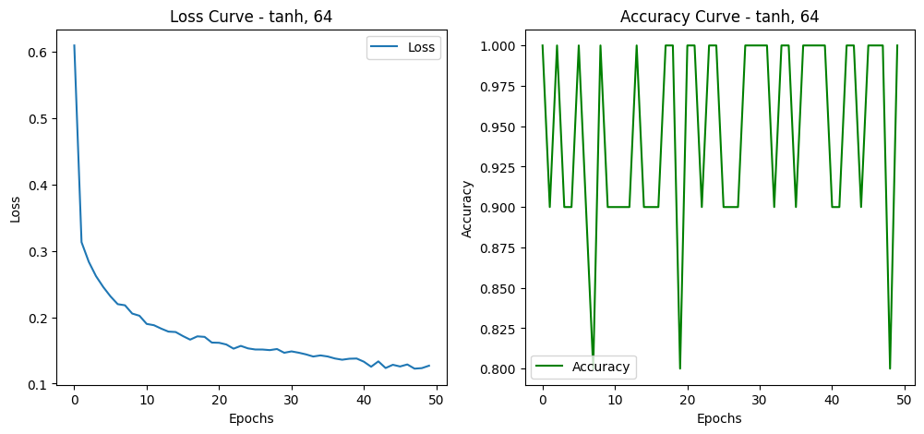 | 0.9563 |  | 704.4

